Title


IPF: Costing Energy Efficiency Improvements
Data Tables, December 2023

Prepared by:
Adam Mactavish, Liz Greenhill & Lydia Forsyth - Currie & Brown

Disclaimer

This document is for information purposes only. The information herein is believed to be correct, but cannot be guaranteed, and the opinions expressed in it constitute our judgement as of this date but are subject to change. Reliance should not be placed on the information and opinions set out herein for the purposes of any particular transaction or advice. The IPF and Currie & Brown, cannot accept any liability arising from any use of this document.

Copyright and Use of Data

You are entitled to use data from this spreadsheet in your work, reports and publications, provided that the IPF and the 3rd parties contributing to the data are acknowledged as the source. It is a breach of copyright for any member or organisation to reproduce and/or republish in any printed or electronic form the whole set of data, or substantive parts thereof, without the prior approval of the IPF. Such approval shall be on terms at the discretion of the IPF and may be subject to the payment of a fee. If you or your organisation wishes to use more than a reasonable extract, contact the IPF in the first instance. Address enquiries to: Sue Forster sforster@ipf.org.uk

How To Use This Document

This document provides an interactive dashboard in which the user can select and filter the data that they wish to view in the graphs and table provided by Currie & Brown. Please follow the steps on the dashboard tab and make use of the reset button when necessary.

Dashboard
 |  | IPF: Costing Energy Efficiency Improvements

 | Energy upgrade | Marginal extra over standard refurb
59 | 98.06 | 70.22
72 | 0.00 | 0.00
38 | 64.44 | 46.87
73 | 52.86 | 0.00
31 | 215.36 | 117.09
64 | 36.57 | 36.57
Options selection |  |  |  | Cost and EPC rating by intervention
Please use the selections below to filter the dataset for the graphs and data table
Once you have selected an option it will become dark blue. The white options indicate that there is no data within them while light blue indicate there is data.

To reset the filters, please select the top right button of each filter (the button with the x). Both filters will need to be cleared for all options to return. The multi-select button allows you to choose multiple filters at once. This button is to the left of the clear filter button and is yellow when selected. The Build-to-Rent typology is on a separate dashboard 'BTR dashboard'

 | 1. Please select a Building Type |  | 2. Please select an Improvement Option

 |  |  |  |  | Improvement Options | Total nat. gas (MWh) | Y1 energy saving (£m2) | IRR (total) | Y1 Carbon saving (kgCO2/m2) | Carbon saving over 25 years (kgCO2/m2) | Total cost (£/sqm) | Total EUI (kWh/m2)
 |  |  |  |  | Logistics | 23,404 | £12 | 39% | 159 | 4,225 | 738 | 3461
 |  |  |  |  | AHU with HR | 4,758 | £2 | -8% | 18 | 434 | 168 | 580
 |  |  |  |  | Baseline | 6,044 | £0 |  | 0 | - | - | 671
 |  |  |  |  | CRREM 1.5 degree pathway (select for benchmark data)
 |  |  |  |  | Electric heating | 0 | £0 | 24% | 65 | 1,924 | 111 | 513
 |  |  |  |  | Lighting | 6,557 | £2 | -1% | -2 | -139 | 53 | 672
 |  |  |  |  | Package 1 | 0 | £3 | 8% | 70 | 1,954 | 332 | 439
 |  |  |  |  | PV | 6,044 | £5 | 17% | 8 | 52 | 73 | 587

CRREM Pathway - Impact of Improvement Measures

Energy performance of different retrofit compared to CRREM 1.5 degrees energy pathway
 | Logistics - AHU with HR | Logistics - Baseline | Logistics - Electric heating | Logistics - Lighting | Logistics - Package 1 | Logistics - PV | Logistics - CRREM 1.5 degree pathway (select for benchmark data)
2025 | 289.88937073 | 335.5334122 | 256.36373415 | 335.8878439 | 219.35208293 | 293.60658293 | 44.987306015
Sum of 2026 | 289.88937073 | 335.5334122 | 256.36373415 | 335.8878439 | 219.35208293 | 293.60658293 | 42.420422447
Sum of 2027 | 289.88937073 | 335.5334122 | 256.36373415 | 335.8878439 | 219.35208293 | 293.60658293 | 40
Sum of 2028 | 289.88937073 | 335.5334122 | 256.36373415 | 335.8878439 | 219.35208293 | 293.60658293 | 37.717681902
Sum of 2029 | 289.88937073 | 335.5334122 | 256.36373415 | 335.8878439 | 219.35208293 | 293.60658293 | 35.565588201
2030 | 289.88937073 | 335.5334122 | 256.36373415 | 335.8878439 | 219.35208293 | 293.60658293 | 33.53628856
Sum of 2031 | 289.88937073 | 335.5334122 | 256.36373415 | 335.8878439 | 219.35208293 | 293.60658293 | 31.622776602
Sum of 2032 | 289.88937073 | 335.5334122 | 256.36373415 | 335.8878439 | 219.35208293 | 293.60658293 | 29.818445718
Sum of 2033 | 289.88937073 | 335.5334122 | 256.36373415 | 335.8878439 | 219.35208293 | 293.60658293 | 28.11706626
Sum of 2034 | 289.88937073 | 335.5334122 | 256.36373415 | 335.8878439 | 219.35208293 | 293.60658293 | 26.51276403
2035 | 289.88937073 | 335.5334122 | 256.36373415 | 335.8878439 | 219.35208293 | 293.60658293 | 25
Sum of 2036 | 289.88937073 | 335.5334122 | 256.36373415 | 335.8878439 | 219.35208293 | 293.60658293 | 25
Sum of 2037 | 289.88937073 | 335.5334122 | 256.36373415 | 335.8878439 | 219.35208293 | 293.60658293 | 25
Sum of 2039 | 289.88937073 | 335.5334122 | 256.36373415 | 335.8878439 | 219.35208293 | 293.60658293 | 25
Sum of 2038 | 289.88937073 | 335.5334122 | 256.36373415 | 335.8878439 | 219.35208293 | 293.60658293 | 25
2040 | 289.88937073 | 335.5334122 | 256.36373415 | 335.8878439 | 219.35208293 | 293.60658293 | 25
Sum of 2041 | 289.88937073 | 335.5334122 | 256.36373415 | 335.8878439 | 219.35208293 | 293.60658293 | 25
Sum of 2042 | 289.88937073 | 335.5334122 | 256.36373415 | 335.8878439 | 219.35208293 | 293.60658293 | 25
Sum of 2043 | 289.88937073 | 335.5334122 | 256.36373415 | 335.8878439 | 219.35208293 | 293.60658293 | 25
Sum of 2044 | 289.88937073 | 335.5334122 | 256.36373415 | 335.8878439 | 219.35208293 | 293.60658293 | 25
2045 | 289.88937073 | 335.5334122 | 256.36373415 | 335.8878439 | 219.35208293 | 293.60658293 | 25
Sum of 2046 | 289.88937073 | 335.5334122 | 256.36373415 | 335.8878439 | 219.35208293 | 293.60658293 | 25
Sum of 2047 | 289.88937073 | 335.5334122 | 256.36373415 | 335.8878439 | 219.35208293 | 293.60658293 | 25
Sum of 2048 | 289.88937073 | 335.5334122 | 256.36373415 | 335.8878439 | 219.35208293 | 293.60658293 | 25
Sum of 2049 | 289.88937073 | 335.5334122 | 256.36373415 | 335.8878439 | 219.35208293 | 293.60658293 | 25
2050 | 289.88937073 | 335.5334122 | 256.36373415 | 335.8878439 | 219.35208293 | 293.60658293 | 25

Projected carbon emissions to 2050 in comparison to CRREM 1.5 degrees carbon pathway
 | Logistics - AHU with HR | Logistics - Baseline | Logistics - Electric heating | Logistics - Lighting | Logistics - Package 1 | Logistics - PV | Logistics - CRREM 1.5 degree pathway (select for benchmark data)
2025 | 48.121044947 | 56.5414997 | 35.941705378 | 57.396210339 | 30.75274264 | 50.663438398 | 8.4237661419
Sum of 2026-Carbon | 46.068180731 | 54.513513723 | 31.397067534 | 55.694115336 | 26.864221588 | 49.378702068 | 7.635739107
Sum of 2027-Carbon | 44.015316515 | 52.485527746 | 26.85242969 | 53.992020332 | 22.975700536 | 48.093965738 | 6.8830863041
Sum of 2028-Carbon | 41.962452298 | 50.457541768 | 22.307791846 | 52.289925328 | 19.087179484 | 46.809229408 | 6.1663256031
Sum of 2029-Carbon | 39.909588082 | 48.429555791 | 17.763154002 | 50.587830324 | 15.198658432 | 45.524493078 | 5.4614470984
2030 | 37.856723866 | 46.401569813 | 13.218516158 | 48.885735321 | 11.31013738 | 44.239756747 | 4.8630025729
Sum of 2031-Carbon | 36.614352232 | 45.174254226 | 10.468149573 | 47.855645491 | 8.9568457135 | 43.462247957 | 4.2727049511
Sum of 2032-Carbon | 35.972779738 | 44.540456817 | 9.0478341859 | 47.323697334 | 7.7415835795 | 43.060735044 | 3.7143003378
Sum of 2033-carbon | 35.435051808 | 44.009245501 | 7.8574102509 | 46.877850008 | 6.7230230933 | 42.724210786 | 3.1868669407
Sum of 2034-Carbon | 35.107860098 | 43.68601896 | 7.1330721203 | 46.606564956 | 6.1032588422 | 42.519445623 | 2.6911944552
2035 | 34.760180183 | 43.342552506 | 6.3633771311 | 46.318292482 | 5.4446859764 | 42.301858402 | 2.2200681003
Sum of 2036-carbon | 34.26355201 | 42.851942868 | 5.2639399785 | 45.90652227 | 4.5039763621 | 41.991055451 | 1.7820786171
Sum of 2037-carbon | 34.000717861 | 42.592293952 | 4.682076838 | 45.688598119 | 4.006117754 | 41.82656694 | 1.4071065433
Sum of 2038-carbon | 33.951675422 | 42.543845849 | 4.5735065195 | 45.647935474 | 3.9132219098 | 41.795874894 | 1.1050022199
Sum of 2039-carbon | 33.841844066 | 42.435345516 | 4.3303614857 | 45.556870804 | 3.7051801218 | 41.727139547 | 0.86152514968
2040 | 33.658285697 | 42.254011653 | 3.9239993385 | 45.404676723 | 3.3574851419 | 41.6122639 | 0.72693571233
Sum of 2041-carbon | 33.357203501 | 41.95657821 | 3.2574625406 | 45.155039899 | 2.7871773506 | 41.423838756 | 0.62516509324
Sum of 2042-carbon | 33.282182786 | 41.882466655 | 3.0913814235 | 45.092837839 | 2.6450736358 | 41.376888822 | 0.53547409617
Sum of 2043-carbon | 33.253672797 | 41.854302173 | 3.028265912 | 45.0691993 | 2.5910702139 | 41.359046523 | 0.45716763983
Sum of 2044-carbon | 33.171460359 | 41.773086051 | 2.8462637352 | 45.001034353 | 2.4353439887 | 41.30759582 | 0.38354163823
2045 | 32.97761944 | 41.58159425 | 2.4171380435 | 44.840314683 | 2.0681718743 | 41.186285083 | 0.33066711404
Sum of 2046-carbon | 32.877077679 | 41.482270934 | 2.1945583483 | 44.756952312 | 1.8777263734 | 41.123363409 | 0.27966170057
Sum of 2047-carbon | 32.799797396 | 41.405927195 | 2.0234749932 | 44.692876772 | 1.7313426019 | 41.074999379 | 0.23438095323
Sum of 2048-carbon | 32.753277024 | 41.359970594 | 1.9204880353 | 44.654305253 | 1.6432240394 | 41.045885709 | 0.19259146873
Sum of 2049-carbon | 32.693020894 | 41.300444696 | 1.7870928073 | 44.604344979 | 1.5290872984 | 41.008175841 | 0.1525400605
2050 | 32.679161883 | 41.286753639 | 1.7564116807 | 44.592854032 | 1.5028356563 | 40.999502508

BTR Dashboard
 |  | IPF: Costing Energy Efficiency Improvements

.
 | Energy upgrade | Marginal extra over standard refurb
76 | 163.4231 | 118.5422
51 | 0 | 0
60 | 254.0196 | 77.232
52 | 55.26 | 0
47 | 150.9 | 108.6422
81 | 472.7027 | 313.1174
54 | 55.3725 | 16.1438
Improvement Option Selection |  |  | Cost and EPC Rating for BTR typology
 | Please use the improvement option selection below to filter the dataset for the graphs and data table

 | Once you have selected an option it will become dark blue. The white options indicate that there is no data within them while light blue indicate there is data.

 | To reset the filters, please select the top right button of each filter (the button with the x). Both filters will need to be cleared for all options to return. The multi-select button allows you to choose multiple filters at once. This button is to the left of the clear filter button and is yellow when selected.

 | The target 1.5 degrees CRREM pathways need to be selected for it to appear on the charts.

Energy performance of different retrofit compared to CRREM 1.5 degrees energy pathway
 | BTR - ASHP | BTR - Baseline | BTR - CRREM 1.5 degree pathway (select for benchmark data) | BTR - Fabric | BTR - Lighting | BTR - MVHR | BTR - Package 1 | BTR - WWHR
2025 | 74.751945525 | 545.13618677 | 96.118614124 | 434.63521401 | 543.45817121 | 525.30642023 | 62.247081712 | 515.77821012
Sum of 2026 | 74.751945525 | 545.13618677 | 89.640010553 | 434.63521401 | 543.45817121 | 525.30642023 | 62.247081712 | 515.77821012
Sum of 2027 | 74.751945525 | 545.13618677 | 83.598078949 | 434.63521401 | 543.45817121 | 525.30642023 | 62.247081712 | 515.77821012
Sum of 2028 | 74.751945525 | 545.13618677 | 77.96338667 | 434.63521401 | 543.45817121 | 525.30642023 | 62.247081712 | 515.77821012
Sum of 2029 | 74.751945525 | 545.13618677 | 72.708484903 | 434.63521401 | 543.45817121 | 525.30642023 | 62.247081712 | 515.77821012
2030 | 74.751945525 | 545.13618677 | 67.807774939 | 434.63521401 | 543.45817121 | 525.30642023 | 62.247081712 | 515.77821012
Sum of 2031 | 74.751945525 | 545.13618677 | 63.237383482 | 434.63521401 | 543.45817121 | 525.30642023 | 62.247081712 | 515.77821012
Sum of 2032 | 74.751945525 | 545.13618677 | 58.975046346 | 434.63521401 | 543.45817121 | 525.30642023 | 62.247081712 | 515.77821012
Sum of 2033 | 74.751945525 | 545.13618677 | 55 | 434.63521401 | 543.45817121 | 525.30642023 | 62.247081712 | 515.77821012
Sum of 2034 | 74.751945525 | 545.13618677 | 55 | 434.63521401 | 543.45817121 | 525.30642023 | 62.247081712 | 515.77821012
2035 | 74.751945525 | 545.13618677 | 55 | 434.63521401 | 543.45817121 | 525.30642023 | 62.247081712 | 515.77821012
Sum of 2036 | 74.751945525 | 545.13618677 | 55 | 434.63521401 | 543.45817121 | 525.30642023 | 62.247081712 | 515.77821012
Sum of 2037 | 74.751945525 | 545.13618677 | 55 | 434.63521401 | 543.45817121 | 525.30642023 | 62.247081712 | 515.77821012
Sum of 2038 | 74.751945525 | 545.13618677 | 55 | 434.63521401 | 543.45817121 | 525.30642023 | 62.247081712 | 515.77821012
Sum of 2039 | 74.751945525 | 545.13618677 | 55 | 434.63521401 | 543.45817121 | 525.30642023 | 62.247081712 | 515.77821012
2040 | 74.751945525 | 545.13618677 | 55 | 434.63521401 | 543.45817121 | 525.30642023 | 62.247081712 | 515.77821012
Sum of 2041 | 74.751945525 | 545.13618677 | 55 | 434.63521401 | 543.45817121 | 525.30642023 | 62.247081712 | 515.77821012
Sum of 2042 | 74.751945525 | 545.13618677 | 55 | 434.63521401 | 543.45817121 | 525.30642023 | 62.247081712 | 515.77821012
Sum of 2043 | 74.751945525 | 545.13618677 | 55 | 434.63521401 | 543.45817121 | 525.30642023 | 62.247081712 | 515.77821012
Sum of 2044 | 74.751945525 | 545.13618677 | 55 | 434.63521401 | 543.45817121 | 525.30642023 | 62.247081712 | 515.77821012
2045 | 74.751945525 | 545.13618677 | 55 | 434.63521401 | 543.45817121 | 525.30642023 | 62.247081712 | 515.77821012
Sum of 2046 | 74.751945525 | 545.13618677 | 55 | 434.63521401 | 543.45817121 | 525.30642023 | 62.247081712 | 515.77821012
Sum of 2047 | 74.751945525 | 545.13618677 | 55 | 434.63521401 | 543.45817121 | 525.30642023 | 62.247081712 | 515.77821012
Sum of 2048 | 74.751945525 | 545.13618677 | 55 | 434.63521401 | 543.45817121 | 525.30642023 | 62.247081712 | 515.77821012
Sum of 2049 | 74.751945525 | 545.13618677 | 55 | 434.63521401 | 543.45817121 | 525.30642023 | 62.247081712 | 515.77821012
2050 | 74.751945525 | 545.13618677 | 55 | 434.63521401 | 543.45817121 | 525.30642023 | 62.247081712 | 515.77821012
CRREM Pathway - Impact of Improvement Measures |  |  |  |  | Total nat. gas (MWh) | Total electricity (MWh) | Y1 energy saving (£m2) | IRR (total) | Y1 Carbon saving (kgCO2/m2) | Carbon saving over 25 years (kgCO2/m2) | Total cost (£/sqm) | Total EUI (kWh/m2)
 |  |  |  | BTR
 |  |  |  | ASHP | 0 | 10 | 14 | 11% | 112 | 2774 | 282 | 150
 |  |  |  | Baseline | 71.576 | 3 | 1 | 6% | -65 | -1914 | 0 | 1090
 |  |  |  | CRREM 1.5 degree pathway (select for benchmark data)
 |  |  |  | Fabric | 56.43 | 3 | 5 | -5% | -25 | -902 | 331 | 869
 |  |  |  | Lighting | 71.576 | 3 | 1 | -18% | -65 | -1911 | 55 | 1087
 |  |  |  | MVHR | 68.858 | 3 | 1 | -26% | -58 | -1733 | 260 | 1051
 |  |  |  | Package 1 | 0 | 9 | 16 | -3% | 115 | 2796 | 786 | 124
 |  |  |  | WWHR | 67.552 | 3 | 2 | -3% | -54 | -1645 | 72 | 1032

Projected carbon emissions to 2050 in comparison to CRREM 1.5 degrees carbon pathway
 | BTR - ASHP | BTR - Baseline | BTR - CRREM 1.5 degree pathway (select for benchmark data) | BTR - Fabric | BTR - Lighting | BTR - MVHR | BTR - Package 1 | BTR - WWHR
2025 | 10.480079842 | 98.861694666 | 16.043365161 | 78.622336495 | 98.626440092 | 95.229674627 | 8.7269218439 | 93.484487662
Sum of 2026-Carbon | 9.1549293809 | 98.45507032 | 14.4253745 | 78.215712149 | 98.249562438 | 94.823050281 | 7.6234489047 | 93.077863316
Sum of 2027-Carbon | 7.8297789197 | 98.048445974 | 12.900965431 | 77.809087803 | 97.872684784 | 94.416425935 | 6.5199759655 | 92.67123897
Sum of 2028-Carbon | 6.5046284585 | 97.641821628 | 11.468588675 | 77.402463457 | 97.49580713 | 94.009801589 | 5.4165030264 | 92.264614624
Sum of 2029-Carbon | 5.1794779973 | 97.235197282 | 10.081742897 | 76.99583911 | 97.118929476 | 93.603177243 | 4.3130300872 | 91.857990278
2030 | 3.8543275361 | 96.828572936 | 8.9113478741 | 76.589214764 | 96.742051822 | 93.196552897 | 3.209557148 | 91.451365932
Sum of 2031-Carbon | 3.0523605426 | 96.582488197 | 7.7745368644 | 76.343130026 | 96.513969466 | 92.950468158 | 2.5417470378 | 91.205281193
Sum of 2032-Carbon | 2.6382171817 | 96.455407705 | 6.7129545995 | 76.216049534 | 96.396185574 | 92.823387666 | 2.1968835637 | 91.078200701
Sum of 2033-carbon | 2.291106833 | 96.34889639 | 5.7230930046 | 76.109538218 | 96.297466117 | 92.716876351 | 1.9078394983 | 90.971689386
Sum of 2034-Carbon | 2.0799003429 | 96.284087371 | 4.8045901663 | 76.0447292 | 96.237398216 | 92.652067332 | 1.7319646424 | 90.906880367
2035 | 1.8554684509 | 96.215220118 | 3.9430875201 | 75.975861947 | 96.173568963 | 92.58320008 | 1.5450767932 | 90.838013115
Sum of 2036-carbon | 1.5348885279 | 96.116849703 | 3.1521563151 | 75.877491532 | 96.082394856 | 92.484829664 | 1.2781250166 | 90.739642699
Sum of 2037-carbon | 1.3652256779 | 96.064788411 | 2.481737955 | 75.825430239 | 96.034142119 | 92.432768372 | 1.1368441815 | 90.687581407
Sum of 2038-carbon | 1.3335681482 | 96.055074252 | 1.9460153964 | 75.81571608 | 96.025138601 | 92.423054213 | 1.1104824751 | 90.677867248
Sum of 2039-carbon | 1.2626705839 | 96.033319231 | 1.517798103 | 75.79396106 | 96.004975074 | 92.401299192 | 1.0514449953 | 90.656112227
2040 | 1.1441812773 | 95.996960615 | 1.2796747673 | 75.757602444 | 95.97127628 | 92.364940576 | 0.95277714798 | 90.619753611
Sum of 2041-carbon | 0.94982881723 | 95.93732328 | 1.0999906674 | 75.697965109 | 95.916001727 | 92.305303241 | 0.79093689914 | 90.560116276
Sum of 2042-carbon | 0.90140197302 | 95.922463432 | 0.94295541984 | 75.683105261 | 95.902228955 | 92.290443393 | 0.75061112959 | 90.545256428
Sum of 2043-carbon | 0.88299840555 | 95.916816271 | 0.80693755086 | 75.6774581 | 95.896994913 | 92.284796232 | 0.73528619912 | 90.539609267
Sum of 2044-carbon | 0.82992921129 | 95.900531911 | 0.68047673473 | 75.66117374 | 95.881901839 | 92.268511873 | 0.69109467409 | 90.523324908
2045 | 0.70480238538 | 95.862136563 | 0.58960978122 | 75.622778392 | 95.846315311 | 92.230116524 | 0.58689966349 | 90.484929559
Sum of 2046-carbon | 0.63990137548 | 95.842221594 | 0.50299290115 | 75.602863422 | 95.827857226 | 92.210201555 | 0.53285560566 | 90.46501459
Sum of 2047-carbon | 0.59001595124 | 95.826914179 | 0.4267476758 | 75.587556008 | 95.813669628 | 92.19489414 | 0.49131525435 | 90.449707175
Sum of 2048-carbon | 0.55998644844 | 95.817699582 | 0.35708968972 | 75.578341411 | 95.805129127 | 92.185679543 | 0.46630923073 | 90.440492578
Sum of 2049-carbon | 0.52109033527 | 95.805764253 | 0.29109686893 | 75.566406082 | 95.79406693 | 92.173744214 | 0.43391984584 | 90.428557249
2050 | 0.5121441639 | 95.803019108 |  | 75.563660936 | 95.791522606 | 92.170999069 | 0.42647023291 | 90.425812104

Office 1
Office 1

Retrofit options

Year of construction 2000's |  |  |  |  |  |  |  | Additional Simulations

 | 0 | 1 | 2 | 3 | 4 | 5 | 6 | 2A (Landlord - AHU + HR%) | 2B (Tennant - FCU + Demand Control) | 5A (Landlord - Heat Pump + AHU + HR%) | 5B (Tennant - Lighting + PIRs + FCU + Demand Control)
 | Baseline | Lighting package | Ventilation package | ASHP package | PV package | Combination 1 | Combination 2 | Ventilation package | Ventilation package | Combination 1A | Combination 1B
Thermal Model | EPC_OFF01_V0 | EPC_OFF01_V1 | EPC_OFF01_V2 | EPC_OFF01_V3 | EPC_OFF01_V4 | EPC_OFF01_V5 | EPC_OFF01_V6 | EPC_OFF01_V2A | EPC_OFF01_V2B | EPC_OFF01_V5A | EPC_OFF01_V5B
Description | AD L2 (2002) Fabric + Business as usual MEP system | Baseline + Lighting Upgrades | Baseline + Ventilation Upgrades | Baseline + ASHP | Baseline + 50% of roof area PV | Baseline + Packages 1,2,3 | Baseline + Packages 1,2,3, 4 | Baseline + Ventilation Upgrades | Baseline + Ventilation Upgrades | Baseline + Packages 2A,3 | Baseline + Packages 1,2B
Construction Type | SFS with 40mm insulation | SFS with 40mm insulation | SFS with 40mm insulation | SFS with 40mm insulation | SFS with 40mm insulation | SFS with 40mm insulation | SFS with 40mm insulation | SFS with 40mm insulation | SFS with 40mm insulation | SFS with 40mm insulation | SFS with 40mm insulation
Floor U-Value (W/m2K) | 0.25 | 0.25 | 0.25 | 0.25 | 0.25 | 0.25 | 0.25 | 0.25 | 0.25 | 0.25 | 0.25
External wall U-Value (W/m2K) | 0.35 | 0.35 | 0.35 | 0.35 | 0.35 | 0.35 | 0.35 | 0.35 | 0.35 | 0.35 | 0.35
Roof U-Value (W/m2K) | 0.25 | 0.25 | 0.25 | 0.25 | 0.25 | 0.25 | 0.25 | 0.25 | 0.25 | 0.25 | 0.25
Windows/Rooflights |  |  |  |  |  |  | 0.00
U-value (W/m2K) | 2.0 | 2.00 | 2.00 | 2.00 | 2.00 | 2.00 | 2.00 | 2.00 | 2.00 | 2.00 | 2.00
Windows g-value | 0.7 | 0.70 | 0.70 | 0.70 | 0.70 | 0.70 | 0.70 | 0.70 | 0.70 | 0.70 | 0.70
External doors (W/m2K) | 2.0 | 2.00 | 2.00 | 2.00 | 2.00 | 2.00 | 2.00 | 2.00 | 2.00 | 2.00 | 2.00
Thermal bridging (W/m2K) | Default | Default | Default | Default | Default | Default | Default | Default | Default | Default | Default
 | (25% of losses) | (25% of losses) | (25% of losses) | (25% of losses) | (25% of losses) | (25% of losses) | (25% of losses) | (25% of losses) | (25% of losses) | (25% of losses) | (25% of losses)
Air Permeability (m3/m2/hr) | 10 | 10 | 10 | 10 | 10 | 10 | 10 | 10 | 10 | 10 | 10
Ventilation system and design | Supply and extract | Supply and extract | AHU with heat recovery | Supply and extract | Supply and extract | AHU with heat recovery | AHU with heat recovery | AHU with heat recovery | Supply and extract | AHU with heat recovery | Supply and extract
AHU heat recovery efficiency | N/A | N/A | 80% | N/A | N/A | 80% | 80% | 80% | N/A | 80% | N/A
AHU specific fan power | 2.9 W/I/s 0.5 (FCU terminal) | 2.9 W/I/s 0.5 (FCU terminal) | 1.8 W/l/s 0.3 W/l/s (FCU terminal) | 2.9 W/I/s 0.5 (FCU terminal) | 2.9 W/I/s 0.5 (FCU terminal) | 1.8 W/l/s 0.3 W/l/s (FCU terminal) | 1.8 W/l/s 0.3 W/l/s (FCU terminal) | 1.8 W/l/s 0.5 W/l/s (FCU terminal) | 2.9 W/l/s 0.3 W/l/s (FCU terminal) | 1.8 W/l/s 0.5 W/l/s (FCU terminal) | 2.9 W/l/s 0.3 W/l/s (FCU terminal)
Demand Control Ventilation | No | No | Yes - CO₂ sensors with speed control | No | No | Yes - CO₂ sensors with speed control | Yes - CO₂ sensors with speed control | No | Yes - CO₂ sensors with speed control | No | Yes - CO₂ sensors with speed control
Internal Lighting (lm/W) | 45 | 120 | 45 | 45 | 45 | 120 | 120 | 45 | 45 | 45 | 120
Lighting Control | No | Office: Absence Detection Rest: Presence Detection | No | No | No | Office: Absence Detection Rest: Presence Detection | Office: Absence Detection Rest: Presence Detection | No | No | No | Office: Absence Detection Rest: Presence Detection
Heating System | Gas Boiler | Gas Boiler | Gas Boiler | ASHP | Gas Boiler | ASHP | ASHP | Gas Boiler | Gas Boiler | ASHP | Gas Boiler
Description | Gas boiler serving a heating system with flow and return temperature 70°C/50°C | Gas boiler serving a heating system with flow and return temperature 70°C/50°C | Gas boiler serving a heating system with flow and return temperature 70°C/50°C | ASHPs serving a heating system with low flow and return temperatures 45°C/40°C fed from ambient loop Note: re-insulation of the pipework, and changes to heat emitters required. | Gas boiler serving a heating system with flow and return temperature 70°C/50°C | ASHPs serving a heating system with low flow and return temperatures 45°C/40°C fed from ambient loop Note: re-insulation of the pipework, and changes to heat emitters required. | ASHPs serving a heating system with low flow and return temperatures 45°C/40°C fed from ambient loop Note: re-insulation of the pipework, and changes to heat emitters required. | Gas boiler serving a heating system with flow and return temperature 70°C/50°C | Gas boiler serving a heating system with flow and return temperature 70°C/50°C | ASHPs serving a heating system with low flow and return temperatures 45°C/40°C fed from ambient loop Note: re-insulation of the pipework, and changes to heat emitters required. | Gas boiler serving a heating system with flow and return temperature 70°C/50°C
Heating emitters | LTHW Fan Coil Unit fed by Gas Boiler | LTHW Fan Coil Unit fed by Gas Boiler | LTHW Fan Coil Unit fed by Gas Boiler | LTHW Fan Coil Unit fed by ASHP | LTHW Fan Coil Unit fed by Gas Boiler | LTHW Fan Coil Unit fed by ASHP | LTHW Fan Coil Unit fed by ASHP | LTHW Fan Coil Unit fed by Gas Boiler | LTHW Fan Coil Unit fed by Gas Boiler | LTHW Fan Coil Unit fed by ASHP | LTHW Fan Coil Unit fed by Gas Boiler
Hot water system | Direct electric hot water for offices (50L storage) and showers (300L storage) Kitchen areas fed by a gas boiler | Direct electric hot water for offices (50L storage) and showers (300L storage) Kitchen areas fed by a gas boiler | Direct electric hot water for offices (50L storage) and showers (300L storage) Kitchen areas fed by a gas boiler | Direct electric hot water for offices (50L storage) and showers (300L storage) Kitchen areas fed by a ASHP | Direct electric hot water for offices (50L storage) and showers (300L storage) Kitchen areas fed by a gas boiler | Direct electric hot water for offices (50L storage) and showers (300L storage) Kitchen areas fed by a gas boiler | Direct electric hot water for offices (50L storage) and showers (300L storage) Kitchen areas fed by a ASHP | Direct electric hot water for offices (50L storage) and showers (300L storage) Kitchen areas fed by a gas boiler | Direct electric hot water for offices (50L storage) and showers (300L storage) Kitchen areas fed by a gas boiler | Direct electric hot water for offices (50L storage) and showers (300L storage) Kitchen areas fed by a ASHP | Direct electric hot water for offices (50L storage) and showers (300L storage) Kitchen areas fed by a gas boiler
Heating and Hot Water Seasonal efficiency | 80% for heating 80% for hot water (gas boiler) 100% for hot water (direct electric) | 80% for heating 80% for hot water (gas boiler) 100% for hot water (direct electric) | 80% for heating 80% for hot water (gas boiler) 100% for hot water (direct electric) | 400% for heating 300% for hot water (ASHP) 100% for hot water (direct electric) | 80% for heating 80% for hot water (gas boiler) 100% for hot water (direct electric) | 80% for heating 80% for hot water (gas boiler) 100% for hot water (direct electric) | 400% for heating 300% for hot water (ASHP) 100% for hot water (direct electric) | 80% for heating 80% for hot water (gas boiler) 100% for hot water (direct electric) | 80% for heating 80% for hot water (gas boiler) 100% for hot water (direct electric) | 400% for heating 300% for hot water (ASHP) 100% for hot water (direct electric) | 80% for heating 80% for hot water (gas boiler) 100% for hot water (direct electric)
Cooling Seasonal Efficiency | 2.0 EER 2.5 SEER | 2.0 EER 2.5 SEER | 2.0 EER 2.5 SEER | 3.5 EER 5.0 SEER | 2.0 EER 2.5 SEER | 3.5 EER 5.0 SEER | 3.5 EER 5.0 SEER | 2.0 EER 2.5 SEER | 2.0 EER 2.5 SEER | 3.5 EER 5.0 SEER | 2.0 EER 2.5 SEER
PV | No | No | No | No | Yes - 600 m² | No | Yes - 600 m2 | No | No | No | No
EPC Rating | D 91 | D 85 | C 69 | C 55 | D 86 | B 31 | B 26 | C 71 | D 79 | B 49 | C 68
EPC Certificate | 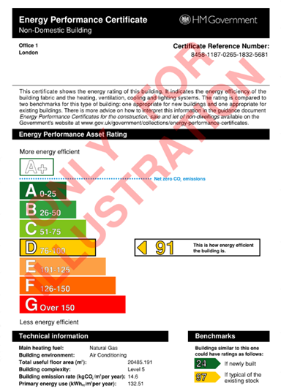 | 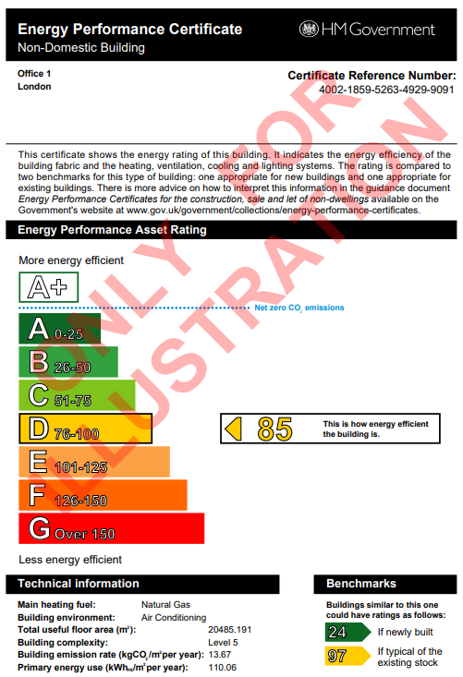 | 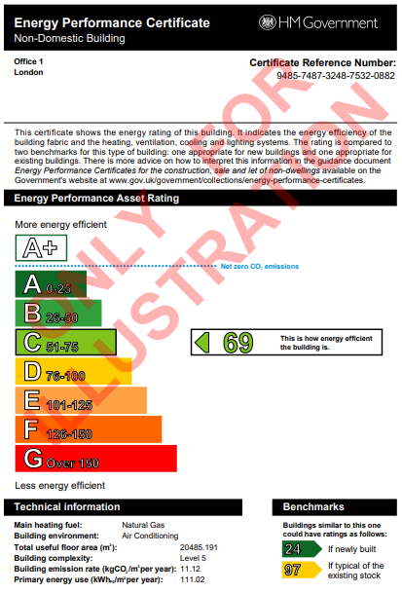 | 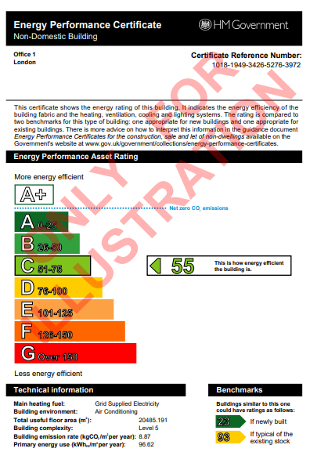 | 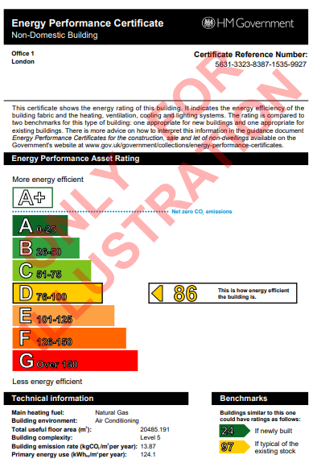 | 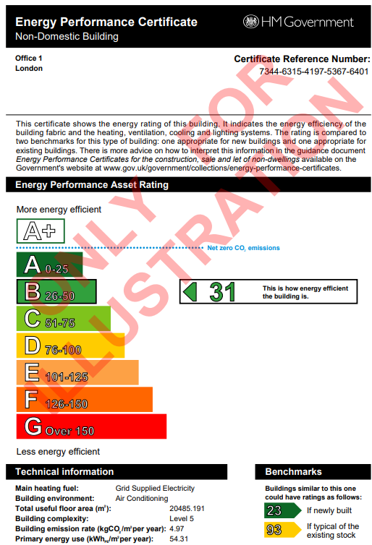 | 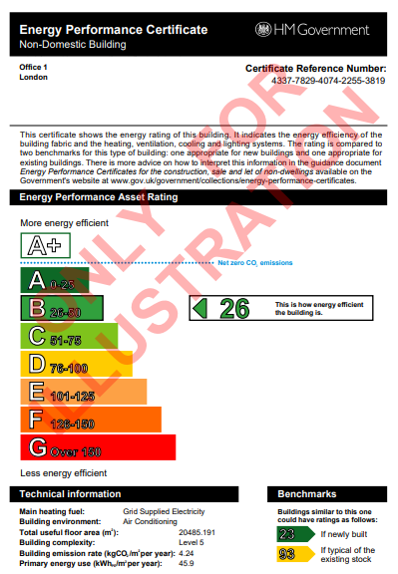 | 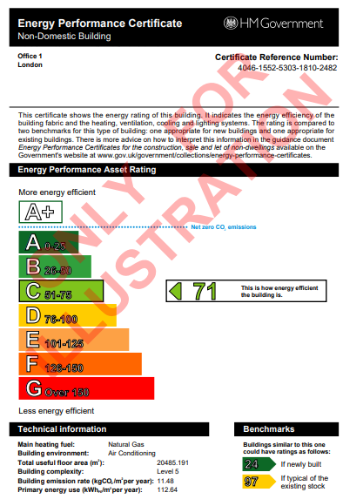 | 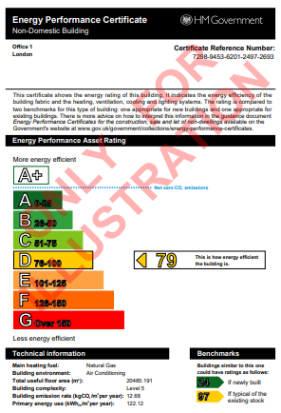 | 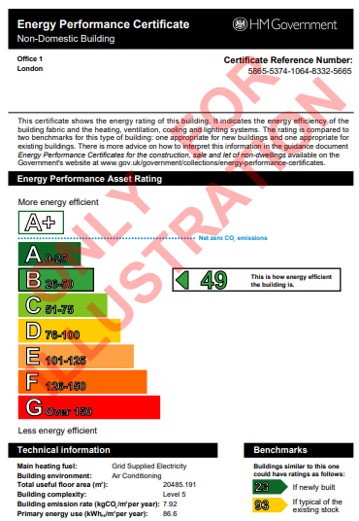 | 

Office 2
Office 2

Retrofit options

Year of construction 1970's |  |  |  |  |  |  |  | Additional Simulations

 | 0 | 1 | 2 | 3 | 4 | 5 | 6 | 2A (Landlord - AHU + HR%) | 2B (Tennant - FCU + Demand Control) | 6A (Landlord - Heat Pump + AHU + HR%) | 6B (Tennant - Lighting + PIRs + FCU + Demand Control)
 | Baseline | Lighting package | Ventilation package | ASHP package | PV package | Fabric package | Combination 1 | Ventilation package | Ventilation package | Combination 1A | Combination 1B
Thermal Model | EPC_OFF02_V0 | EPC_OFF02_V1 | EPC_OFF02_V2 | EPC_OFF02_V3 | EPC_OFF02_V4 | EPC_OFF02_V5 | EPC_OFF02_V6 | EPC_OFF01_V2A | EPC_OFF01_V2B | EPC_OFF01_V6A | EPC_OFF01_V6B
Description | Fabric + MEP systems as per 1970s | Baseline + Lighting Upgrades | Baseline + Ventilation Upgrades | Baseline + ASHP | Baseline + 50% of roof area PV | Baseline + Fabric Upgrades | Baseline + Packages 1,2,3 | Baseline + Ventilation Upgrades | Baseline + Ventilation Upgrades | Baseline + Packages 2A,3 | Baseline + Packages 1,2B
Construction Type | Masonry with unfilled cavity | Masonry with unfilled cavity | Masonry with unfilled cavity | Masonry with unfilled cavity | Masonry with unfilled cavity | Masonry with unfilled cavity | Masonry with unfilled cavity | Masonry with unfilled cavity | Masonry with unfilled cavity | Masonry with unfilled cavity | Masonry with unfilled cavity
Floor U-Value (W/m2K) | 1.20 | 1.20 | 1.20 | 1.20 | 1.20 | 1.20 | 1.20 | 1.20 | 1.20 | 1.20 | 1.20
External wall U-Value (W/m2K) | 1.60 | 1.60 | 1.60 | 1.60 | 1.60 | 0.15 (200mm insulation) | 0.15 (200mm insulation) | 0.15 (200mm insulation) | 0.15 (200mm insulation) | 0.15 (200mm insulation) | 0.15 (200mm insulation)
Roof U-Value (W/m2K) | 1.50 | 1.50 | 1.50 | 1.50 | 1.50 | 0.15 (200mm insulation) | 0.15 (200mm insulation) | 0.15 (200mm insulation) | 0.15 (200mm insulation) | 0.15 (200mm insulation) | 0.15 (200mm insulation)
Windows/Rooflights
U-value (W/m2K) | 4.80 | 4.80 | 4.80 | 4.80 | 4.80 | 1.30 | 1.30 | 1.30 | 1.30 | 1.30 | 1.30
Windows g-value | 0.70 | 0.70 | 0.70 | 0.70 | 0.70 | 0.40 | 0.40 | 0.40 | 0.40 | 0.40 | 0.40
External doors (W/m2K) | 4.80 | 4.80 | 4.80 | 4.80 | 4.80 | 1.30 | 1.30 | 1.30 | 1.30 | 1.30 | 1.30
Thermal bridging (W/m2K) | Default | Default | Default | Default | Default | Default | Default | Default | Default | Default | Default
 | (25% of losses) | (25% of losses) | (25% of losses) | (25% of losses) | (25% of losses) | (25% of losses) | (25% of losses) | (25% of losses) | (25% of losses) | (25% of losses) | (25% of losses)
Air Permeability (m3/m2/hr) | 30 | 30 | 30 | 30 | 30 | 30 | 30 | 30 | 30 | 30 | 30
Ventilation system and design | Natural with extract fans (toilets) | Natural with extract fans (toilets) | AHU with heat recovery | Natural with extract fans (toilets) | Natural with extract fans (toilets) | Natural with extract fans (toilets) | AHU with heat recovery | AHU with heat recovery | Supply and extract | AHU with heat recovery | Supply and extract
AHU heat recovery efficiency | N/A | N/A | 80% | N/A | N/A | N/A | 80% | 80% | N/A | 80% | N/A
AHU specific fan power | 0.6 (extract) | 0.6 (extract) | 1.8 W/l/s 0.3 W/l/s (FCU terminal) | 0.6 (extract) | 0.6 (extract) | 0.6 (extract) | 1.8 W/l/s 0.3 W/l/s (FCU terminal) | 1.8 W/l/s 0.8 W/l/s (FCU terminal) | 2.9 W/l/s 0.3 W/l/s (FCU terminal) | 1.8 W/l/s 0.8 W/l/s (FCU terminal) | 2.9 W/l/s 0.3 W/l/s (FCU terminal)
Demand Control Ventilation | N/A | N/A | Yes - CO₂ sensors with speed control | N/A | N/A | N/A | Yes - CO₂ sensors with speed control | No | Yes - CO₂ sensors with speed control | No | Yes - CO₂ sensors with speed control
Internal Lighting (lm/W) | 45 | 120 | 45 | 45 | 45 | 45 | 120 | 45 | 45 | 45 | 120
Lighting Control | No | Office: Absence Detection Rest: Presence Detection | No | No | No | No | Office: Absence Detection Rest: Presence Detection | No | No | No | Office: Absence Detection Rest: Presence Detection
Heating System | Gas Boiler | Gas Boiler | Gas Boiler | ASHP | Gas Boiler | Gas Boiler | ASHP | Gas Boiler | Gas Boiler | ASHP | Gas Boiler
Description | Gas boiler serving a heating system with flow and return temperature 70°C/50°C | Gas boiler serving a heating system with flow and return temperature 70°C/50°C | Gas boiler serving a heating system with flow and return temperature 70°C/50°C | ASHPs serving a heating system with low flow and return temperatures 45°C/40°C fed from ambient loop Note: re-insulation of the pipework, and changes to heat emitters required. | Gas boiler serving a heating system with flow and return temperature 70°C/50°C | Gas boiler serving a heating system with flow and return temperature 70°C/50°C | ASHPs serving a heating system with low flow and return temperatures 45°C/40°C fed from ambient loop Note: re-insulation of the pipework, and changes to heat emitters required. | Gas boiler serving a heating system with flow and return temperature 70°C/50°C | Gas boiler serving a heating system with flow and return temperature 70°C/50°C | ASHPs serving a heating system with low flow and return temperatures 45°C/40°C fed from ambient loop Note: re-insulation of the pipework, and changes to heat emitters required. | Gas boiler serving a heating system with flow and return temperature 70°C/50°C
Heating emitters | LTHW Fan Coil Unit fed by Gas Boiler | LTHW Fan Coil Unit fed by Gas Boiler | LTHW Fan Coil Unit fed by Gas Boiler | LTHW Fan Coil Unit fed by ASHP | LTHW Fan Coil Unit fed by Gas Boiler | LTHW Fan Coil Unit fed by Gas Boiler | LTHW Fan Coil Unit fed by ASHP | LTHW Fan Coil Unit fed by Gas Boiler | LTHW Fan Coil Unit fed by Gas Boiler | LTHW Fan Coil Unit fed by ASHP | LTHW Fan Coil Unit fed by Gas Boiler
Hot water system | Direct electric hot water | Direct electric hot water | Direct electric hot water | Direct electric hot water | Direct electric hot water | Direct electric hot water | Direct electric hot water | Direct electric hot water | Direct electric hot water | Direct electric hot water | Direct electric hot water
Heating and Hot Water Seasonal efficiency | 60% for heating 100% for hot water | 60% for heating 100% for hot water | 60% for heating 100% for hot water | 400% for heating 100% for hot water | 60% for heating 100% for hot water | 60% for heating 100% for hot water | 400% for heating 100% for hot water | 60% for heating 100% for hot water | 60% for heating 100% for hot water | 400% for heating 100% for hot water | 60% for heating 100% for hot water
Cooling Seasonal Efficiency | 2.0 EER 2.5 SEER | 2.0 EER 2.5 SEER | 2.0 EER 2.5 SEER | 3.5 EER 5.0 SEER | 2.0 EER 2.5 SEER | 2.0 EER 2.5 SEER | 3.5 EER 5.0 SEER | 2.0 EER 2.5 SEER | 2.0 EER 2.5 SEER | 3.5 EER 5.0 SEER | 2.0 EER 2.5 SEER
PV | No | No | No | No | Yes - 267 m² | No | No | No | No | No | No
EPC Rating | G 257 | G 267 | G 204 | C 55 | G 245 | E 120 | B 38 | G 218 | G 237 | C 55 | G 247
EPC Certificate | 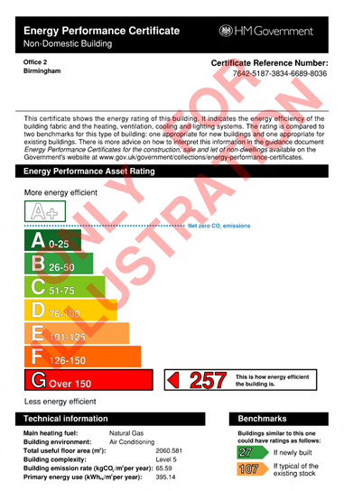 |  |  | 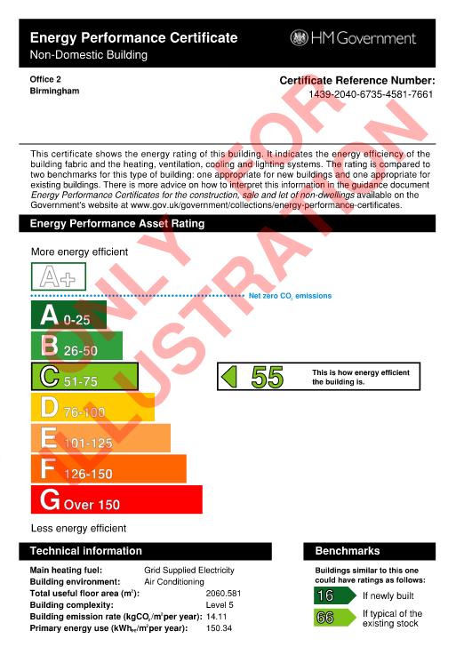 | 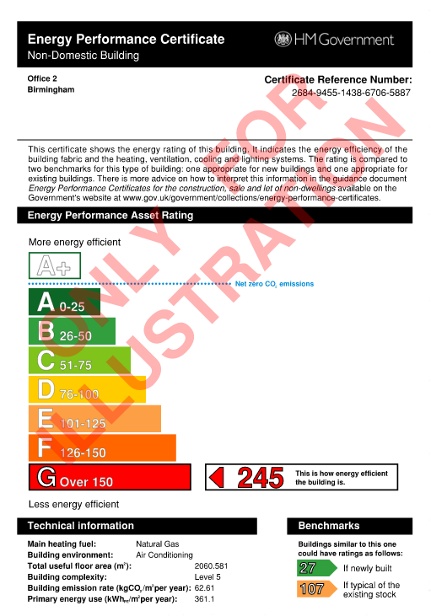 | 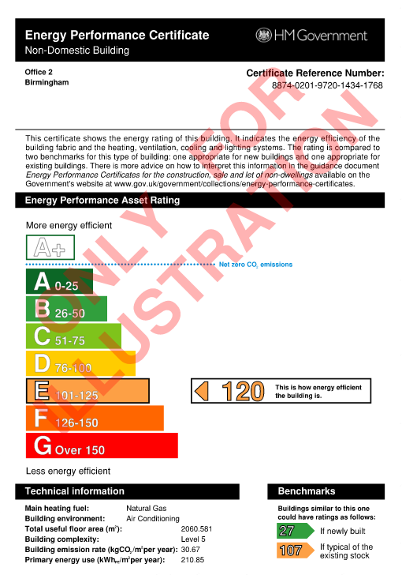 | 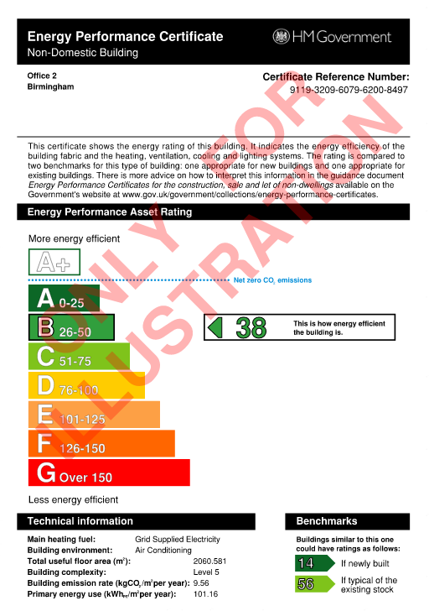 |  |  | 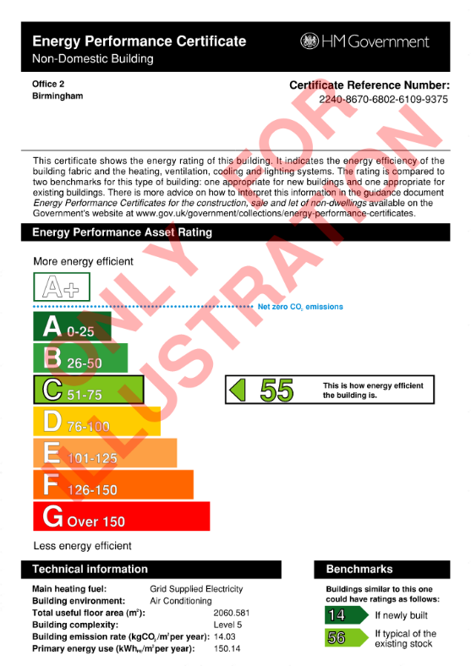 | 

Retail Shopping Centre
Retail Shopping Centre

Retrofit options

Year of construction 1990s

 | 0 | 1 | 2 | 3 | 4 | 2A (Landlord - AHU + HR%) | 2B (Tennant - FCU + Demand Control) | 4A (Landlord - Heat Pump + AHU + HR%) | 4B (Tennant - Lighting + PIRs + FCU + Demand Control)
 | Baseline | Lighting package | Ventilation package | ASHP package | Combination 1 | Ventilation package | Ventilation package | Combination 1A | Combination 1B
Thermal Model | EPC_RET_SC_V0 | EPC_RET_SC_V1 | EPC_RET_SC_V2 | EPC_RET_SC_V3 | EPC_RET_SC_V4 | EPC_RET_SC_V2A | EPC_RET_SC_V2B | EPC_RET_SC_V4A | EPC_RET_SC_V4B
Description | ADL2B (2006) Fabric + MEP systems as per 1990s | Baseline + Lighting Upgrades | Baseline + Ventilation Upgrades | Baseline + ASHP | Baseline + Scenarios 1,2, 3 | Baseline + Ventilation Upgrades | Baseline + Ventilation Upgrades | Baseline + Scenarios 2A, 3 | Baseline + Scenarios 1,2B
Construction Type | Masonry with 100mm insulation | Masonry with 100mm insulation | Masonry with 100mm insulation | Masonry with 100mm insulation | Masonry with 100mm insulation | Masonry with 100mm insulation | Masonry with 100mm insulation | Masonry with 100mm insulation | Masonry with 100mm insulation
Floor U-Value (W/m2K) | 0.25 | 0.25 | 0.25 | 0.25 | 0.25 | 0.25 | 0.25 | 0.25 | 0.25
External wall U-Value (W/m2K) | 0.35 | 0.35 | 0.35 | 0.35 | 0.35 | 0.35 | 0.35 | 0.35 | 0.35
Roof U-Value (W/m2K) | 0.25 | 0.25 | 0.25 | 0.25 | 0.25 | 0.25 | 0.25 | 0.25 | 0.25
Windows
U-value (W/m2K) | 2.2 | 2.2 | 2.2 | 2.2 | 2.2 | 2.2 | 2.2 | 2.2 | 2.2
Windows g-value | 0.7 | 0.7 | 0.7 | 0.7 | 0.7 | 0.7 | 0.7 | 0.7 | 0.7
Thermal bridging (W/m2K) | Default | Default | Default | Default | Default | Default | Default | Default | Default
 | (25% of losses) | (25% of losses) | (25% of losses) | (25% of losses) | (25% of losses) | (25% of losses) | (25% of losses) | (25% of losses) | (25% of losses)
Air permeability (m3/m2/hr) | 20 | 20 | 20 | 20 | 20 | 20 | 20 | 20 | 20
Ventilation system and design | Supply and extract | Supply and extract | Supply and extract | Supply and extract | Supply and extract | Supply and extract | Supply and extract | Supply and extract | Supply and extract
AHU heat recovery efficiency (%) | N/A | N/A | 80 (Plate heat exchanger) | N/A | 80 (Plate heat exchanger) | 80 (Plate heat exchanger) | N/A | 80 (Plate heat exchanger) | N/A
AHU specific fan power (W/l/s) | 4.0 0.8 (FCU terminal) | 4.0 0.8 (FCU terminal) | 1.8 0.3 (FCU terminal) | 4.0 0.8 (FCU terminal) | 1.8 0.3 (FCU terminal) | 1.8 0.8 (FCU terminal) | 4.0 0.3 (FCU terminal) | 1.8 0.8 (FCU terminal) | 4.0 0.3 (FCU terminal)

Demand control ventilation | No | No | Yes - CO₂ sensors with speed control | No | Yes - CO₂ sensors with speed control | No | Yes - CO₂ sensors with speed control | No | Yes - CO₂ sensors with speed control
Internal lighting efficacy (lm/W) | 45 | 120 | 45 | 45 | 120 | 45 | 45 | 45 | 120
Internal lighting control | No | Presence Detection | No | No | Presence Detection | No | No | No | Presence Detection
Electric power factor | < 0.9 | < 0.9 | < 0.9 | < 0.9 | < 0.9 | < 0.9 | < 0.9 | < 0.9 | < 0.9
Heating system | Gas boiler with 60% seasonal efficiency and 70% delivery efficiency serving a heating system with flow and return temperature 70°C/50°C | Gas boiler with 60% seasonal efficiency and 70% delivery efficiency serving a heating system with flow and return temperature 70°C/50°C | Gas boiler with 60% seasonal efficiency and 70% delivery efficiency serving a heating system with flow and return temperature 70°C/50°C | ASHP with 400% seasonal efficiency and 90% delivery efficiency serving a heating system with flow and return temperature 45°C/40°C Note: Re-insulation of the pipework, and changes to heat emitters required | ASHP with 400% seasonal efficiency and 90% delivery efficiency serving a heating system with flow and return temperature 45°C/40°C Note: Re-insulation of the pipework, and changes to heat emitters required | Gas boiler with 60% seasonal efficiency and 70% delivery efficiency serving a heating system with flow and return temperature 70°C/50°C | Gas boiler with 60% seasonal efficiency and 70% delivery efficiency serving a heating system with flow and return temperature 70°C/50°C | ASHP with 400% seasonal efficiency and 90% delivery efficiency serving a heating system with flow and return temperature 45°C/40°C Note: Re-insulation of the pipework, and changes to heat emitters required | Gas boiler with 60% seasonal efficiency and 70% delivery efficiency serving a heating system with flow and return temperature 70°C/50°C
Heating emitters | LTHW Fan Coil Unit fed by Gas Boiler | LTHW Fan Coil Unit fed by Gas Boiler | LTHW Fan Coil Unit fed by Gas Boiler | LTHW Fan Coil Unit fed by ASHP | LTHW Fan Coil Unit fed by ASHP | LTHW Fan Coil Unit fed by Gas Boiler | LTHW Fan Coil Unit fed by Gas Boiler | LTHW Fan Coil Unit fed by ASHP | LTHW Fan Coil Unit fed by Gas Boiler
Hot water system | Direct electric with 100% seasonal efficiency | Direct electric with 100% seasonal efficiency | Direct electric with 100% seasonal efficiency | Direct electric with 100% seasonal efficiency | Direct electric with 100% seasonal efficiency | Direct electric with 100% seasonal efficiency | Direct electric with 100% seasonal efficiency | Direct electric with 100% seasonal efficiency | Direct electric with 100% seasonal efficiency
Heating system controls | No | No | No | Yes | Yes | No | No | Yes | No
Cooling seasonal efficiency | 2.0 EER 2.5 SEER | 2.0 EER 2.5 SEER | 2.0 EER 2.5 SEER | 3.5 EER 5.0 SEER | 3.5 EER 5.0 SEER | 2.0 EER 2.5 SEER | 2.0 EER 2.5 SEER | 3.5 EER 5.0 SEER | 2.0 EER 2.5 SEER
Metering provision | No | No | No | Yes | Yes | No | No | Yes | No
PV | No | No | No | No | No | No | No | No | No
EPC Rating | D 96 | D 100 | C60 | B48 | B 29 | C 67 | D 81 | B 42 | D 84
EPC Certificate | 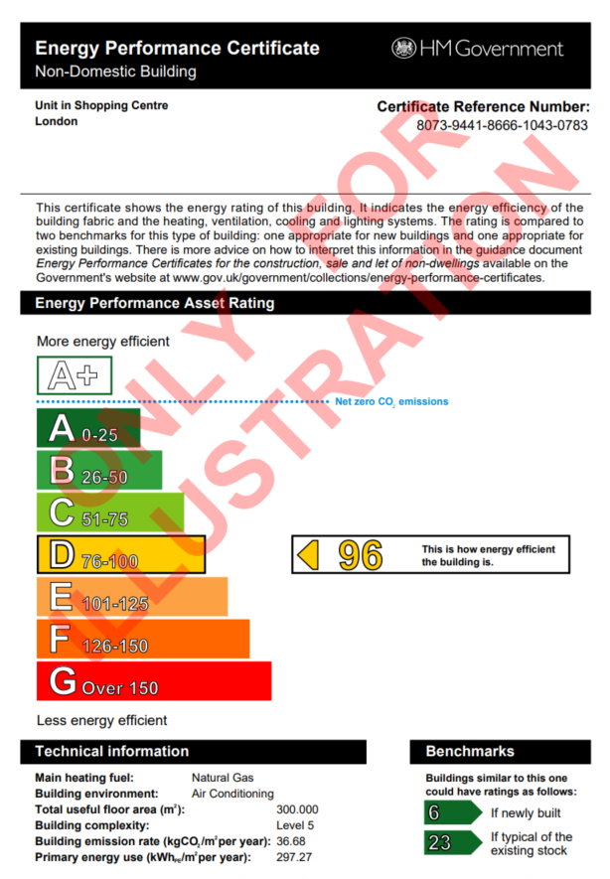 | 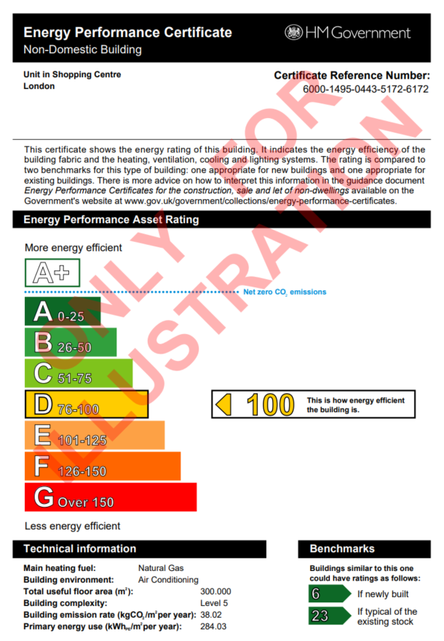 |  | 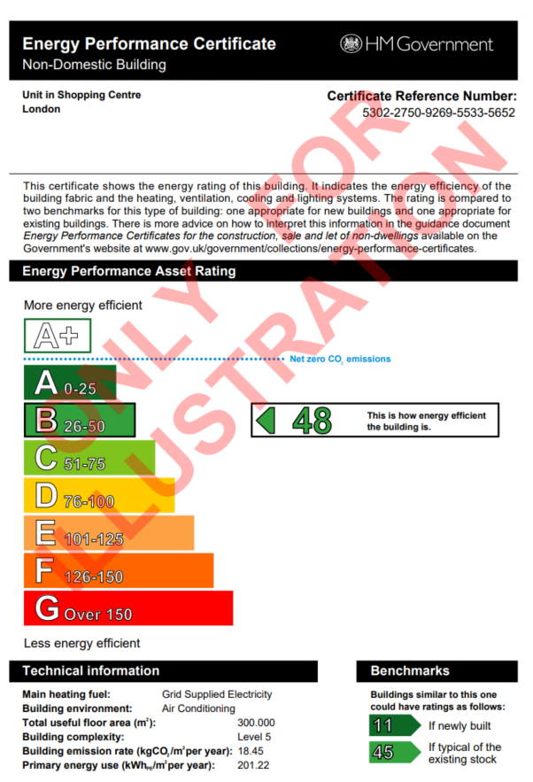 | 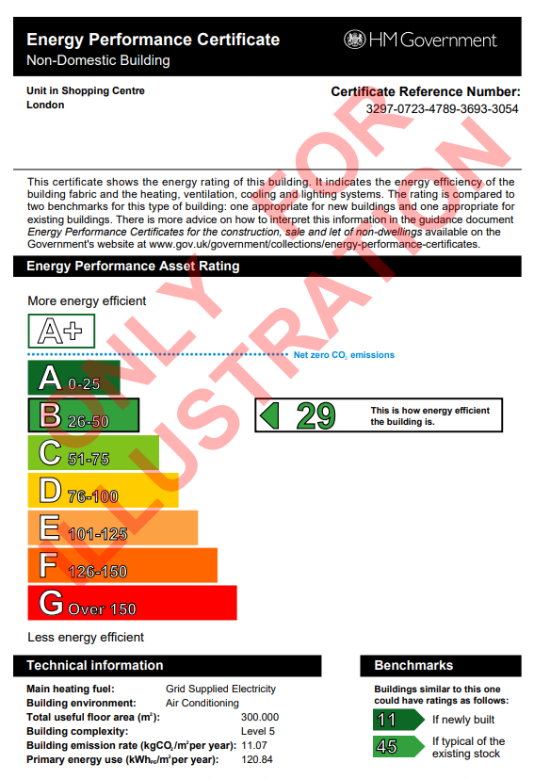 |  |  | 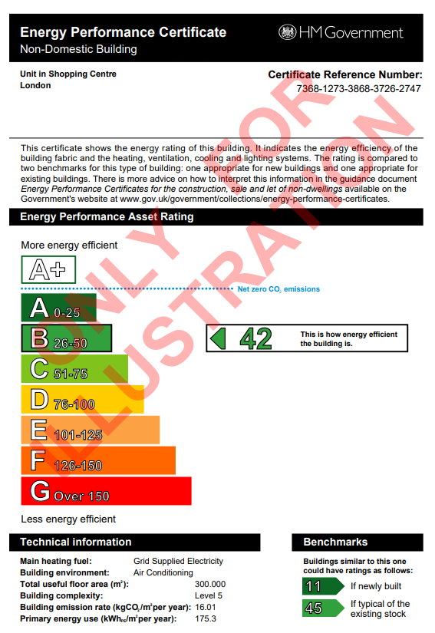 | 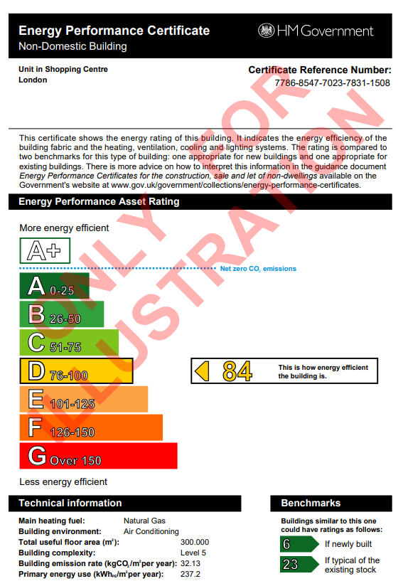

Retail Warehouse
Retail Warehouse

Retrofit options

Year of construction 1995

 | 0 | 1 | 2 | 3 | 4 | 5
 | Baseline | Lighting package | Ventilation package | Direct Electric | Fabric package | Combination 1
Thermal Model | EPC_WAR_V0 | EPC_WAR_V1 | EPC_WAR_V2 | EPC_WAR_V3 | EPC_WAR_V4 | EPC_WAR_V5
Description | AD L1 (1995) Fabric + Business as usual MEP system | Baseline + Lighting Upgrades | Baseline + Ventilation Upgrades | Baseline + Direct Electric Heating | Baseline + Fabric Upgrades | Baseline + All packages
Construction Type | SFS with 20mm insulation | SFS with 20mm insulation | SFS with 20mm insulation | SFS with 20mm insulation | SFS with 20mm insulation | SFS with 20mm insulation
Floor U-Value (W/m2K) | 0.45 | 0.45 | 0.45 | 0.45 | 0.45 | 0.45
External wall U-Value (W/m2K) | 0.45 | 0.45 | 0.45 | 0.45 | 0.15 (200mm insulation) | 0.15 (200mm insulation)
Roof U-Value (W/m2K) | 0.25 | 0.25 | 0.25 | 0.25 | 0.15 (200mm insulation) | 0.15 (200mm insulation)
Windows/Rooflights
U-value (W/m2K) | 3.3 | 3.3 | 3.3 | 3.3 | 1.60 | 1.60
Windows g-value | 0.7 | 0.7 | 0.7 | 0.7 | 0.40 | 0.40
External doors (W/m2K) | 3.3 | 3.3 | 3.3 | 3.3 | 1.60 | 1.60
Thermal bridging (W/m2K) | Default | Default | Default | Default | Default | Default
 | (25% of losses) | (25% of losses) | (25% of losses) | (25% of losses) | (25% of losses) | (25% of losses)
Air Permeability (m3/m2/hr) | 25 | 25 | 25 | 25 | 25 | 25
Ventilation system and design | Exhaust only (Office & WCs), Natural Ventilation (Warehouse) | Exhaust only (Office & WCs) Natural Ventilation (Warehouse) | AHU with Heat Recovery (Office & WCs) Natural Ventilation (Warehouse) | Exhaust only (Office & WCs) Natural Ventilation (Warehouse) | Exhaust only (Office & WCs) Natural Ventilation (Warehouse) | AHU with Heat Recovery (Office & WCs) Natural Ventilation (Warehouse)
AHU heat recovery efficiency | N/A | N/A | 80% | N/A | N/A | 80%
AHU specific fan power | 0.8 W/I/s | 0.8 W/I/s | 1.6 W/I/s | 0.8 W/I/s | 0.8 W/I/s | 1.6 W/l/s
Demand Control Ventilation | No | No | No | No | No | No
Internal Lighting (lm/W) | 45 | 120 | 45 | 45 | 45 | 120
Lighting Control | No | No | No | No | No | No
Heating System | Gas Radiant Panels | Gas Radiant Panels | Gas Radiant Panels | Direct Electric | Gas Boiler | Direct Electric
Description | Gas Radiant Panels | Gas Radiant Panels | Gas Radiant Panels | Direct Electric | Gas boiler serving a heating system with flow and return temperature 70°C/50°C | Direct Electric
Heating emitters | Radiant panels | Radiant panels | Radiant panels | Radiant panels | Radiant panels | Radiant panels
Hot water system | Gas boiler | Gas Boiler | Gas Boiler | Direct Electric | Gas Boiler | Direct Electric
Heating and Hot Water Seasonal efficiency | 70% for heating and hot water | 70% for heating and hot water | 70% for heating and hot water | 100% for heating 100% for hot water | 70% for heating and hot water | 100% for heating 100% for hot water
Cooling Seasonal Efficiency | N/A | N/A | N/A | N/A | N/A | N/A
PV | No | No | No | No | No | No
EPC Rating | F 134 | F 139 | F 126 | C 52 | E 112 | B 44
EPC Certificate | 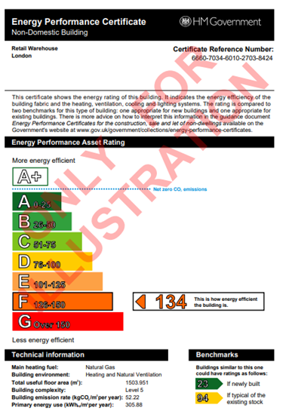 | 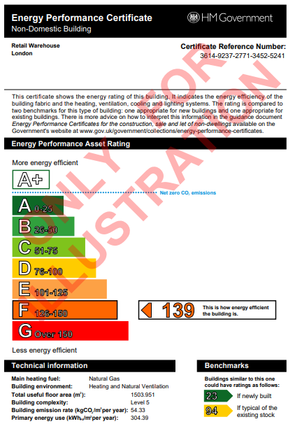 | 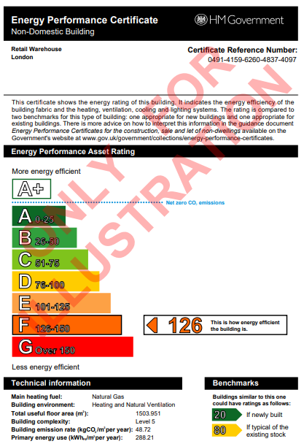 |  | 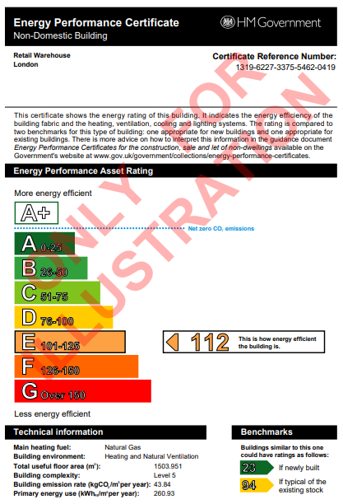 | 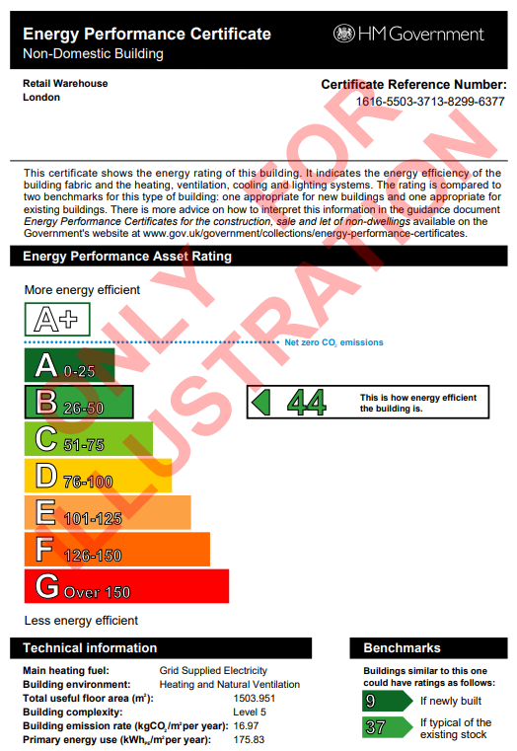

Logistics
Logistics

Retrofit options

Year of construction 2005

 | 0 | 1 | 2 | 3 | 4 | 5
 | Baseline | Lighting package | Ventilation package | Direct Electric | PV package | Combination 1
Thermal Model | EPC_LOG_V0 | EPC_LOG_V1 | EPC_LOG_V2 | EPC_LOG_V3 | EPC_LOG_V4 | EPC_LOG_V5
Description | AD L2 (2002) Fabric + Business as usual MEP system | Baseline + Lighting Upgrades | Baseline + Ventilation Upgrades | Baseline + Direct Electric Heating | Baseline + 20% of roof area PV | Baseline + Packages 1,2,3
Construction Type | SFS with 40mm insulation | SFS with 40mm insulation | SFS with 40mm insulation | SFS with 40mm insulation | SFS with 40mm insulation | SFS with 40mm insulation
Floor U-Value (W/m2K) | 0.25 | 0.25 | 0.25 | 0.25 | 0.25 | 0.25
External wall U-Value (W/m2K) | 0.35 | 0.35 | 0.35 | 0.35 | 0.35 | 0.35
Roof U-Value (W/m2K) | 0.25 | 0.25 | 0.25 | 0.25 | 0.25 | 0.25
Windows/Rooflights
U-value (W/m2K) | 2.0 | 2.0 | 2.0 | 2.0 | 2.0 | 2.0
Windows g-value | 0.7 | 0.7 | 0.7 | 0.7 | 0.7 | 0.7
External doors (W/m2K) | 2.2 | 2.2 | 2.2 | 2.2 | 2.2 | 2.2
Thermal bridging (W/m2K) | Default | Default | Default | Default | Default | Default
 | (25% of losses) | (25% of losses) | (25% of losses) | (25% of losses) | (25% of losses) | (25% of losses)
Air Permeability (m3/m2/hr) | 10 | 10 | 10 | 10 | 10 | 10
Ventilation system and design | Exhaust only | Exhaust only | AHU with heat recovery | Exhaust only | Exhaust only | AHU with heat recovery
AHU heat recovery efficiency | N/A | N/A | 80% | N/A | N/A | 0.8
AHU specific fan power | 0.5 W/I/s | 0.5 W/I/s | 1.6 W/I/s | 0.5 W/I/s | 0.5 W/I/s | 1.6 W/I/s
Demand Control Ventilation | No | No | No | No | No | No
Internal Lighting (lm/W) | 45 | 120 | 45 | 45 | 45 | 120
Lighting Control | No | No | No | No | No | No
Heating System | Gas Boiler | Gas Boiler | Gas Boiler | Direct Electric | Gas Boiler | Direct Electric
Description | Gas boiler serving a heating system with flow and return temperature 70°C/50°C | Gas boiler serving a heating system with flow and return temperature 70°C/50°C | Gas boiler serving a heating system with flow and return temperature 70°C/50°C | Direct Electric | Gas boiler serving a heating system with flow and return temperature 70°C/50°C | Direct Electric
Heating emitters | Radiant panels for main areas VRF system for office areas | Radiant panels for main areas VRF system for office areas | Radiant panels for main areas VRF system for office areas | Radiant panels | Radiant panels for main areas VRF system for office areas | Radiant panels
Hot water system | Gas Boiler | Gas Boiler | Gas Boiler | Direct Electric | Gas Boiler | Direct Electric
Heating and Hot Water Seasonal efficiency | 80% for heating and hot water | 80% for heating and hot water | 80% for heating and hot water | 100% for heating 100% for hot water | 80% for heating and hot water | 100% for heating 100% for hot water
Cooling Seasonal Efficiency | 3.0 EER 4.0 SEER | 3.0 EER 4.0 SEER | 3.0 EER 4.0 SEER | 3.0 EER 4.0 SEER | 3.0 EER 4.0 SEER | 3.0 EER 4.0 SEER
PV | No | No | No | No | Yes - 3400 m² | No
EPC Rating | C 72 | C 73 | C 59 | B 38 | C 64 | B 31
EPC Certificate | 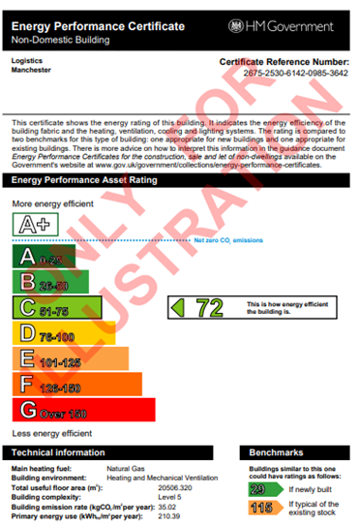 |  |  | 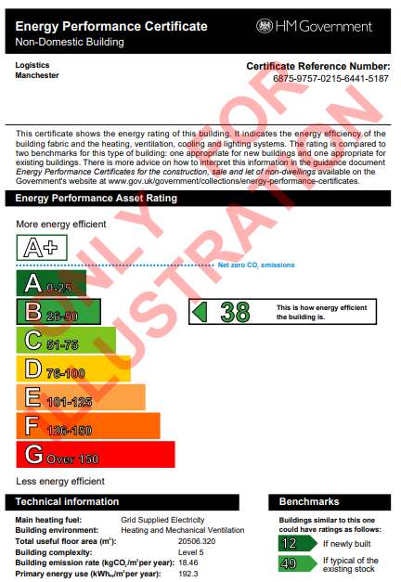 |  | 

PBSA
PBSA

Retrofit options

Year of construction 2000's |  |  |  |  |  | Schematics

 | 0 | 1 | 2 | 3 | 4 | 5
 | Baseline | Lighting package | Ventilation package | ASHP package | PV package | Combination 1
Thermal Model | EPC_PBSA_V0 | EPC_PBSA_V1 | EPC_PBSA_V2 | EPC_PBSA_V3 | EPC_PBSA_V4 | EPC_PBSA_V5
Description | AD L2A (2002) Fabric + AD L2A (2002) MEP system | Baseline + Lighting Upgrades | Baseline + Ventilation Upgrades | Baseline + ASHP | Baseline + 50% of roof area PV | Baseline + Packages 1,2,3
Construction Type | Precast concrete with 80mm insulation | Precast concrete with 80mm insulation | Precast concrete with 80mm insulation | Precast concrete with 80mm insulation | Precast concrete with 80mm insulation | Precast concrete with 80mm insulation
Floor U-Value (W/m2K) | 0.25 | 0.25 | 0.25 | 0.25 | 0.25 | 0.25
External wall U-Value (W/m2K) | 0.35 | 0.35 | 0.35 | 0.35 | 0.35 | 0.35
Roof U-Value (W/m2K) | 0.25 | 0.25 | 0.25 | 0.25 | 0.25 | 0.25
Windows
U-value (W/m2K) | 2.2 | 2.2 | 2.2 | 2.2 | 2.2 | 2.2
Windows g-value | 0.5 | 0.5 | 0.5 | 0.5 | 0.5 | 0.5
External doors (W/m2K) | 2.2 | 2.2 | 2.2 | 2.2 | 2.2 | 2.2
Thermal bridging (W/m2K) | Default (25% of losses) | Default (25% of losses) | Default (25% of losses) | Default (25% of losses) | Default (25% of losses) | Default (25% of losses)
Air permeability (m3/m2/hr) | 10 | 10 | 10 | 10 | 10 | 10
Ventilation type | Natural with extract fans (kitchens, bathrooms) | Natural with extract fans (kitchens, bathrooms) | Natural with extract fans (kitchens, bathrooms) AHU with heat recovery (bedrooms, communal areas) | Natural with extract fans (kitchens, bathrooms) | Natural with extract fans (kitchens, bathrooms) | Natural with extract fans (kitchens, bathrooms) AHU with heat recovery (bedrooms, communal areas)
AHU heat recovery efficiency (%) | N/A | N/A | 80 (Plate heat exchanger) | N/A | N/A | 80 (Plate heat exchanger)
AHU specific fan power (W/l/s) | 0.5 | 0.5 | 1.8 (MVHR) 0.3 (local extract) | 0.5 | 0.5 | 1.8 (MVHR) 0.3 (local extract)
Demand control ventilation | N/A | N/A | N/A | N/A | N/A | N/A
Internal lighting efficacy (lm/W) | 45 | 120 | 45 | 45 | 45 | 120
Internal lighting control | No | None (bedrooms, bathrooms) Auto-On-Dimmed (circulation, communal areas, kitchens) | No | No | No | None (bedrooms, bathrooms) Auto-On-Dimmed (circulation, communal areas, kitchens)
Electric power factor | < 0.9 | < 0.9 | < 0.9 | < 0.9 | < 0.9 | < 0.9
Heating system | Community Gas Boiler with 80% seasonal efficiency & 50% delivery efficiency (throughout) Direct electric with 100% seasonal efficiency (circulation areas) | Community Gas Boiler with 80% seasonal efficiency & 50% delivery efficiency (throughout) Direct electric with 100% seasonal efficiency (circulation areas) | Community Gas Boiler with 80% seasonal efficiency & 50% delivery efficiency (throughout) Direct electric with 100% seasonal efficiency (circulation areas) | ASHPs serving a heating system with low flow and return temperatures 45°C/40°C fed from ambient loop Note: re-insulation of the pipework, and changes to heat emitters required. | Community Gas Boiler with 80% seasonal efficiency & 50% delivery efficiency (throughout) Direct electric with 100% seasonal efficiency (circulation areas) | ASHPs serving a heating system with low flow and return temperatures 45°C/40°C fed from ambient loop Note: re-insulation of the pipework, and changes to heat emitters required.
Heating emitters | Radiators | Radiators | Radiators | Radiators | Radiators | Radiators
Heating system controls | No | No | No | Yes | No | Yes
Hot water system | Communal Gas Boiler with 80% seasonal efficiency & 50% delivery efficiency | Communal Gas Boiler with 80% seasonal efficiency & 50% delivery efficiency | Communal Gas Boiler with 80% seasonal efficiency & 50% delivery efficiency | Communal ASHP with 300% seasonal efficiency & 90% delivery efficiency | Communal Gas Boiler with 80% seasonal efficiency & 50% delivery efficiency | Communal ASHP with 300% seasonal efficiency & 90% delivery efficiency
Hot water storage | 7,500L | 7,500L | 7,500L | 7,500L | 7,500L | 7,500L
Hot water losses | 0.0147kWh/(l.day) | 0.0147kWh/(l.day) | 0.0147kWh/(l.day) | 0.0034kWh/(l.day) | 0.0147kWh/(l.day) | 0.0034kWh/(l.day)
Cooling system | No | No | No | No | No | No
Metering provision | No | No | No | Yes | No | Yes
PV | No | No | No | No | Yes - 145 m² | No
EPC Rating | D 98 | E 103 | C 75 | A 17 | D 96 | A 14
EPC Certificate | 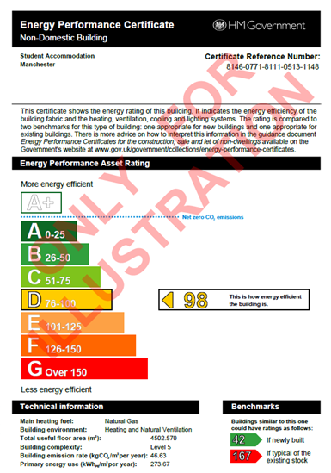 | 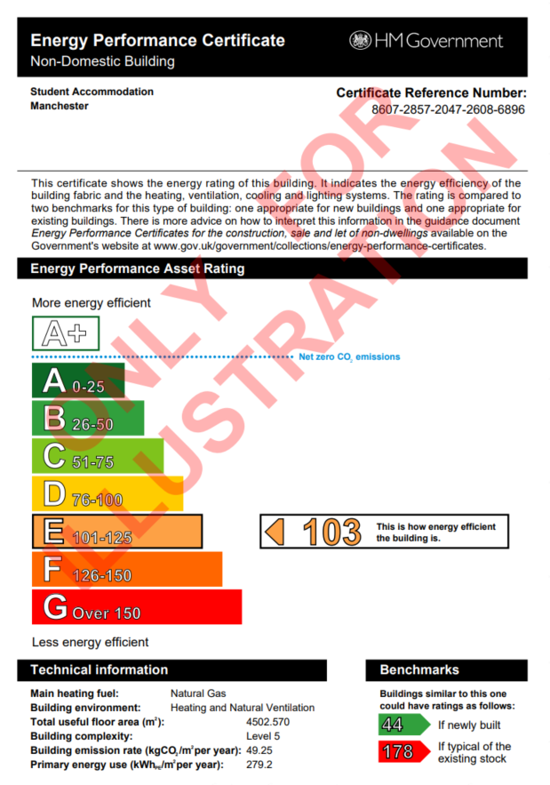 | 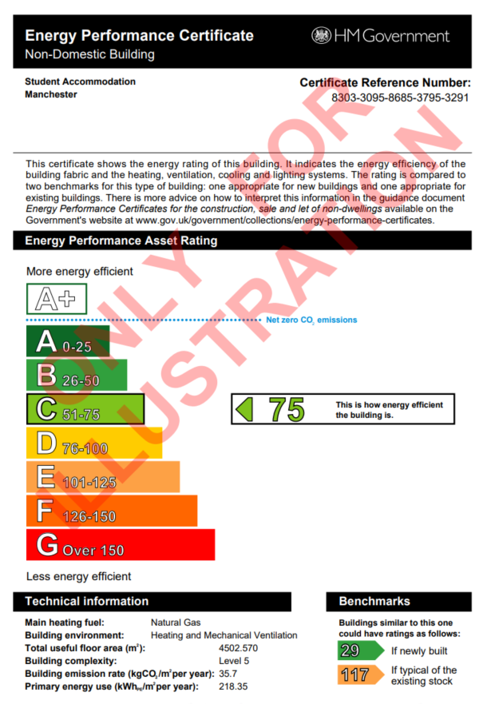 | 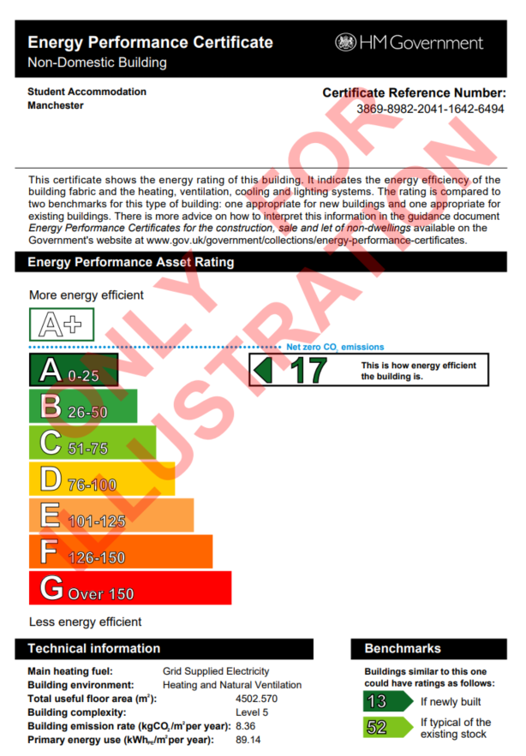 | 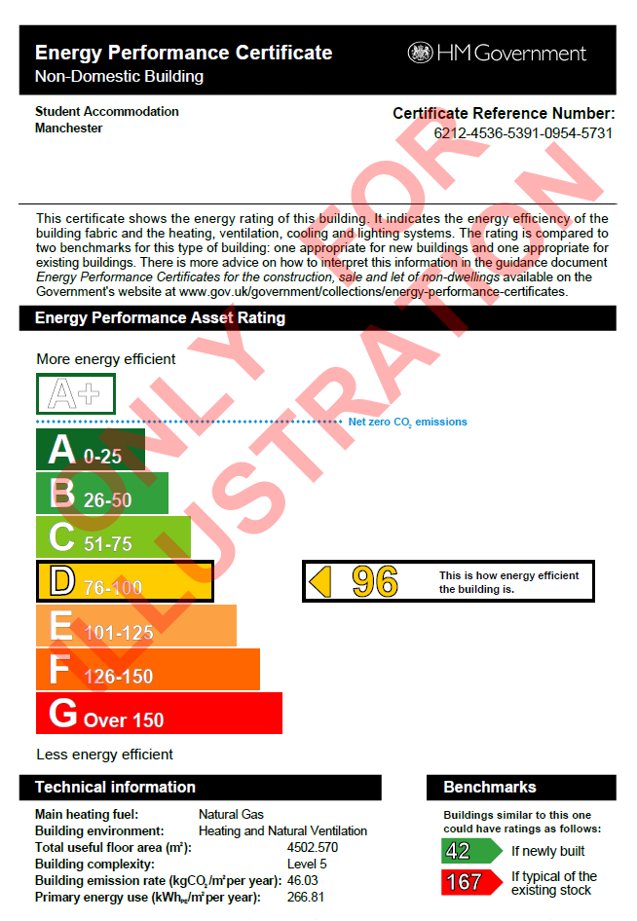 | 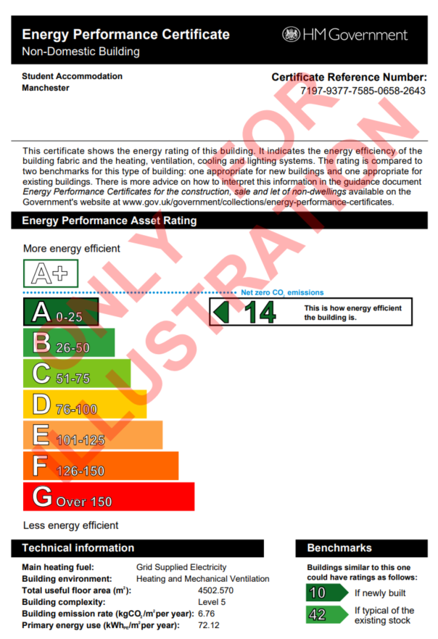

BTR
BTR - Top floor flat

Retrofit options

5-6 years old (2017-2018)

 | 0 | 1 | 2 | 3 | 4 | 5 | 6
 | Baseline | Baseline + ASHP | Baseline + Lighting Package | Baseline + WWHR | Baseline + Fabric Package | Baseline + Ventilation Package | Baseline + 1,2,4 packages
SAP Model | EPC_BTR_APT_V00_Top | EPC_BTR_APT_V01_Top | EPC_BTR_APT_V02_Top | EPC_BTR_APT_V03_Top | EPC_BTR_APT_V04_Top | EPC_BTR_APT_V05_Top | EPC_BTR_APT_V06_Top
Description | AD L2A (2013) Fabric + ADL2 (2013) MEP system | AD L2A (2013) Fabric + ADL2 (2013) MEP system | AD L2A (2013) Fabric + ADL2 (2013) MEP system | AD L2A (2013) Fabric + ADL2 (2013) MEP system | AD L2A (2013) Fabric + ADL2 (2013) MEP system | AD L2A (2013) Fabric + ADL2 (2013) MEP system | AD L2A (2013) Fabric + ADL2 (2013) MEP system
Construction Type | Masonry with 100mm insulation | Masonry with 100mm insulation | Masonry with 100mm insulation | Masonry with 100mm insulation | Masonry with 100mm insulation | Masonry with 100mm insulation | Masonry with 100mm insulation
Floor U-Value (W/m2K) | N/A | N/A | N/A | N/A | N/A | N/A | 0.25
External Wall U-Value (W/m2K) | 0.30 | 0.30 | 0.30 | 0.30 | 0.30 | 0.30 | 0.30
Roof U-Value (W/m2K) | 0.20 | 0.20 | 0.20 | 0.20 | 0.10 | 0.20 | 0.10
Windows
U-value (W/m2K) | 2.0 | 2.0 | 2.0 | 2.0 | 1.0 | 2.0 | 1.0
Windows g-value | 0.5 | 0.5 | 0.5 | 0.5 | 0.5 | 0.5 | 0.5
External Doors (W/m2K) | N/A | N/A | N/A | N/A | N/A | N/A | N/A
Thermal Bridging (W/m2K) | Default | Default | Default | Default | Good practice | Default | Good practice
 | y value 0.25 | y value 0.25 | y value 0.25 | y value 0.25 | y value 0.1 | y value 0.25 | y value 0.1
Air Permeability (m3/m2/hr) | 10 | 10 | 10 | 10 | 10 | 10 | 10
Ventilation Type | Natural with extract fans (kitchen, bathrooms) | Natural with extract fans (kitchen, bathrooms) | Natural with extract fans (kitchen, bathrooms) | Natural with extract fans (kitchen, bathrooms) | Natural with extract fans (kitchen, bathrooms) | Balanced with heat recovery | Natural with extract fans (kitchen, bathrooms)
Heat Recovery Efficiency (%) | N/A | N/A | N/A | N/A | N/A | 85% | N/A
SFP (W/l/s) | 0.5 (extract) | 0.5 (extract) | 0.5 (extract) | 0.5 (extract) | 0.5 (extract) | 1.5 | 0.5 (extract)
Internal Lighting (lm/W) | 45 | 45 | 120 | 45 | 45 | 45 | 120
Power (W) | 60 | 60 | 10 | 60 | 60 | 60 | 10
Heating Control | Time and temperature | Programmer, TRVs, and bypass | Time and temperature | Time and temperature | Time and temperature | Time and temperature | Programmer, TRVs, and bypass
Space Heating System | Community Gas Boiler 70% | Community ASHP 300% | Community Gas Boiler 70% | Community Gas Boiler 70% | Community Gas Boiler 70% | Community Gas Boiler 70% | Community ASHP 300%
Domestic Hot Water System | Community Gas Boiler 70% | Community ASHP 300% | Community Gas Boiler 70% | Community Gas Boiler 70% | Community Gas Boiler 70% | Community Gas Boiler 70% | Community ASHP 300%
Heating Emitters | Radiators | Radiators | Radiators | Radiators | Radiators | Radiators | Radiators
Hot Water Cylinder
Present (Yes/ No) | Yes | Yes | Yes | Yes | Yes | Yes | Yes
Size | 180L | 180L | 180L | 180L | 180L | 180L | 180L
Insulation | 25mm | 100mm | 25mm | 25mm | 25mm | 25mm | 100mm
WWHR | No | No | No | Yes | No | No | No
Space Cooling
Present (Yes/ No) | No | No | No | No | No | No | No
PV | No | No | No | No | No | No | No
EPC Rating | E 51 | C 76 | E 52 | E 54 | D 60 | E 47 | B 81
EPC Certificate | 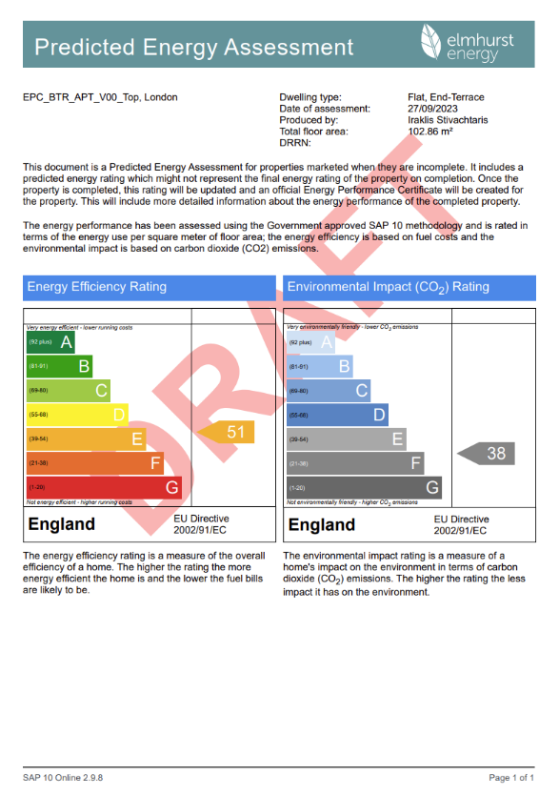 | 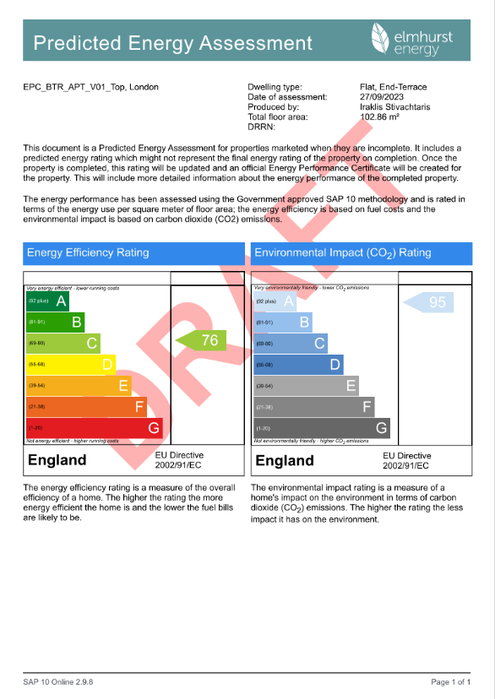 |  |  |  |  | 